MetaData
Year | Year of sampling
SampleDate | Date of sampling | SKT Map
SurveyNumber | Numerical survey number
StationCode | Three digit numberical station number found on station list/map
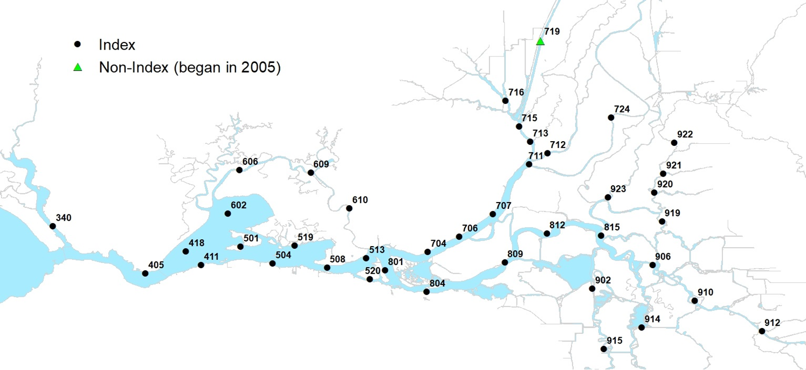
SampleTimeStart | Recorded in military time when tow begins
SampleTimeEnd | Recorded in military time when tow ends
Secchi | Secchi depth recorded in centimeters
ConductivityTop | Conductivity recorded to the nearest microSeimen/cm
TopWaterTemperature | Recorded to the nearest 0.1 degree C.
NTU | Turbidity recorded to the nearest 0.1 NTU
FNU | Turbidity recorded to the nearest 0.1 FNU
TideCode | Tide stage (1-high, 2-ebb, 3-low, or 4 flood)
DepthBottom | Recorded to the nearest 1 foot at the start of the tow, based on actual depth form depth finder
StartLatitude | Latitude taken at the start of a tow
StartLongitude | Longitude taken at the start of a tow
EndLatitude | Latitude taken at the end of a tow
EndLongitude | longitude taken at the end of a tow
DS Catch | Number of Delta Smelt caught per tow
Vol | volume of water (m3 ) filtered through the net per tow (one tow per station)
Diff | Difference in flow meter counts from the start to finish of tow
CPUE | the mean number of fish per volume sampled (standardized to 10,000m3) equations below
Catch Comments | Comments pertaining to the Catch
Sample Comments | Comments pertaining to the Sample
AdFinPresent | Presence or absence of adipose fin
VIE | Presence or absence of VIE tag and description
ForkLength | Recorded in mm

V = A * K * D
Where: | V = volume of water (m3) filtered through the net per tow (one tow per station)
 | A = mouth opening of the net (m2)= 13.95m2
 | K = calibration factor for the flow meter= 0.02687
 | D = difference in flow meter counts from start to finish of tow
N = F / V * 10,000 m3
Where: | N = number of fish per 10,000 m3 per station
 | F = fish sampled per station
 | V = volume of water filtered through the net (m3) per station

